Sheet1
 | MODEL | DESCRIPTION | OPTOM | DONA
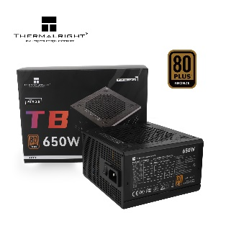 | Thermalright TR-TB650S | Wattage：650W Efficiency：80 PLUS Bronze Modular：Fixed Cable Input Voltage：100-240Vac Input Current：10A Input Frequency：50-60Hz Fan Size：120 mm Operating Temperature：0-40°C MTBF：>100K Hours | 45 | 50
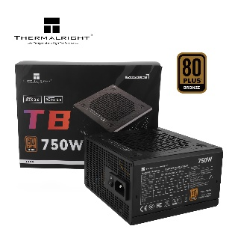 | Thermalright TR-TB750S | Wattage：750W Efficiency：80 PLUS Bronze Modular：Fixed Cable Input Voltage：100-240Vac Input Current：10A Input Frequency：50-60Hz Fan Size：120 mm Operating Temperature：0-40°C MTBF：>100K Hours | 50 | 55
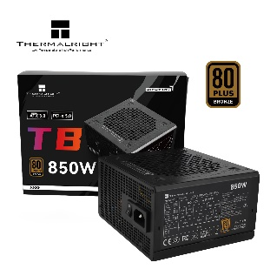 | Thermalright TR-TB850S | Wattage：850W Efficiency：80 PLUS Bronze Modular：Fixed Cable Input Voltage：100-240Vac Input Current：10A Input Frequency：50-60Hz Fan Size：120 mm Operating Temperature：0-40°C MTBF：>100K Hours | 60 | 65
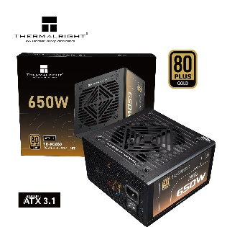 | Thermalright TR-KG650 | Wattage：650W Efficiency：80 PLUS GOLD Modular：Full-Modular Input Voltage：100-240Vac Input Current：10A Input Frequency：50-60Hz Fan Size：120 mm Operating Temperature：0-40°C MTBF：>100K Hours Protections：OPP/OVP/OTP/OCP/SCP/UVP | 55 | 60
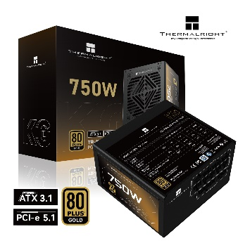 | Thermalright TR-KG750 | Wattage：750W Efficiency：80 PLUS GOLD Modular：Full-Modular Input Voltage：100-240Vac Input Current：10A Input Frequency：50-60Hz Fan Size：120 mm Operating Temperature：0-40°C MTBF：>100K Hours Protections：OPP/OVP/OTP/OCP/SCP/UVP | 65 | 70
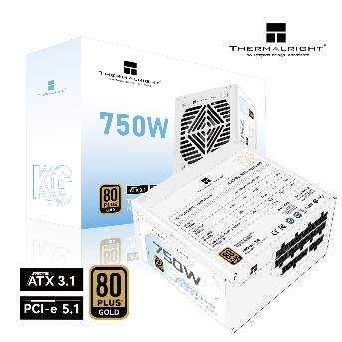 | Thermalright TR-KG750W | Wattage：750W Efficiency：80 PLUS GOLD Modular：Full-Modular Input Voltage：100-240Vac Input Current：10A Input Frequency：50-60Hz Fan Size：120 mm Operating Temperature：0-40°C MTBF：>100K Hours Protections：OPP/OVP/OTP/OCP/SCP/UVP | 70 | 75
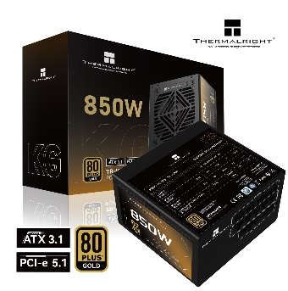 | Thermalright TR-KG850 | Wattage：850W Efficiency：80 PLUS GOLD Modular：Full-Modular Input Voltage：100-240Vac Input Current：10A Input Frequency：50-60Hz Fan Size：120 mm Operating Temperature：0-40°C MTBF：>100K Hours Protections：OPP/OVP/OTP/OCP/SCP/UVP | 85 | 90
 | Thermalright TR-KG850W | Wattage：850W Efficiency：80 PLUS GOLD Modular：Full-Modular Input Voltage：100-240Vac Input Current：10A Input Frequency：50-60Hz Fan Size：120 mm Operating Temperature：0-40°C MTBF：>100K Hours Protections：OPP/OVP/OTP/OCP/SCP/UVP | 90 | 95
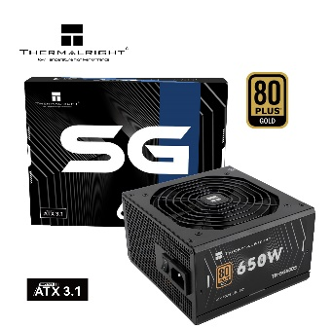 | Thermalright TR-SG650S | Wattage：650W Efficiency：80 PLUS GOLD Modular：Fixed Cable Input Voltage：100-240Vac Input Current：8.5-3.5A Input Frequency：50-60Hz Fan Size：120 mm Operating Temperature：0-40°C MTBF：>100K Hours Protections：OPP/OVP/OTP/OCP/SCP/UVP | 55 | 60
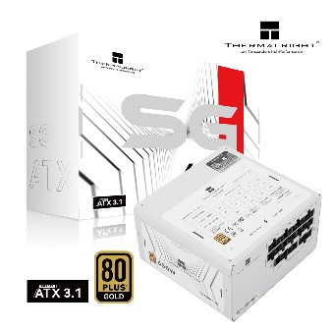 | Thermalright TR-SG650-W | Wattage：650W Efficiency：80 PLUS GOLD Modular：Full-Modular Input Voltage：100-240Vac Input Current：10-5A Input Frequency：47-63Hz Fan Size：120 mm Operating Temperature：0-40°C MTBF：>100K Hours Protections：OPP/OVP/OTP/OCP/SCP/UVP | 60 | 65
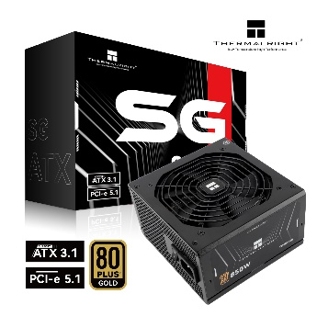 | Thermalright TR-SG850S | Wattage：850W Efficiency：80 PLUS GOLD Modular：Fixed Cable Input Voltage：100-240Vac Input Current：8.5-3.5A Input Frequency：50-60Hz Fan Size：120 mm Operating Temperature：0-40°C MTBF：>100K Hours Protections：OPP/OVP/OTP/OCP/SCP/UVP | 95 | 100
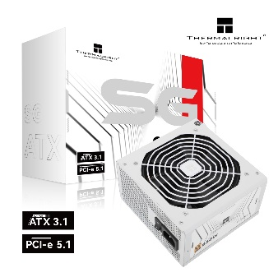 | Thermalright TR-SG850-W | Wattage：850W Efficiency：80 PLUS GOLD Modular：Fixed Cable Input Voltage：100-240Vac Input Current：8.5-3.5A Input Frequency：50-60Hz Fan Size：120 mm Operating Temperature：0-40°C MTBF：>100K Hours Protections：OPP/OVP/OTP/OCP/SCP/UVP | 100 | 105
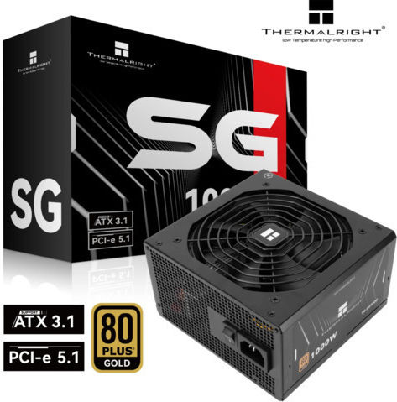 | Thermalright TR-SG1000 | Wattage：1000W Efficiency：80 PLUS GOLD Modular：Full-Modular Input Voltage：100-240Vac Input Current：8.5-3.5A Input Frequency：50-60Hz Fan Size：120 mm Operating Temperature：0-40°C MTBF：>100K Hours Protections：OPP/OVP/OTP/OCP/SCP/UVP | 115 | 125
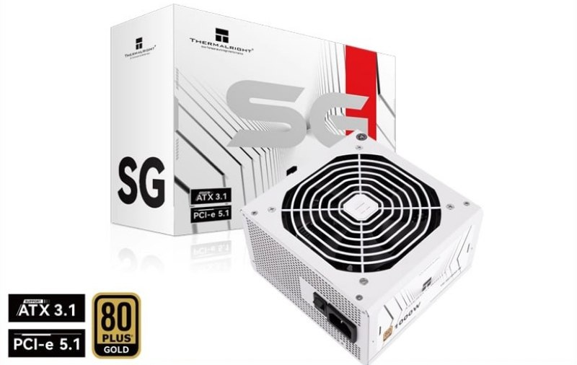 | Thermalright TR-SG1000-W | Wattage：1000W Efficiency：80 PLUS GOLD Modular：Full-Modular Input Voltage：100-240Vac Input Current：8.5-3.5A Input Frequency：50-60Hz Fan Size：120 mm Operating Temperature：0-40°C MTBF：>100K Hours Protections：OPP/OVP/OTP/OCP/SCP/UVP | 120 | 130
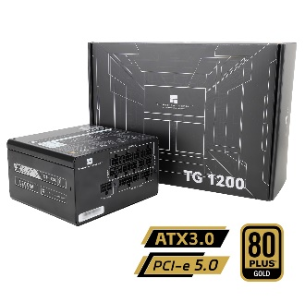 | Thermalright TR-TG1200 | Wattage：1200W Efficiency：80 PLUS GOLD Modular：Full-Modular Input Voltage：100-240Vac Input Current：15-7.5A Input Frequency：47-63Hz Fan Size：120 mm Operating Temperature：0-40°C MTBF：>100K Hours Protections：OPP/OVP/OTP/OCP/SCP/UVP | 140 | 150
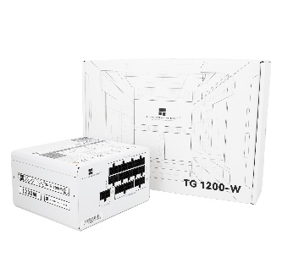 | Thermalright TR-TG1200-W | Wattage：1200W Efficiency：80 PLUS GOLD Modular：Full-Modular Input Voltage：100-240Vac Input Current：15-7.5A Input Frequency：47-63Hz Fan Size：120 mm Operating Temperature：0-40°C MTBF：>100K Hours Protections：OPP/OVP/OTP/OCP/SCP/UVP | 150 | 160
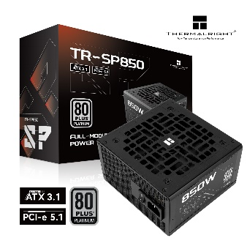 | Thermalright TR-SP850 | Wattage：850W Efficiency：80 PLUS Platinum Modular：Full-Modular Input Voltage：100-240Vac Input Current：13-6.5A Input Frequency：47-63Hz Fan Size：120 mm Operating Temperature：0-40°C MTBF：>100K Hours Protections：OPP/OVP/OTP/OCP/SCP/UVP | 100 | 110
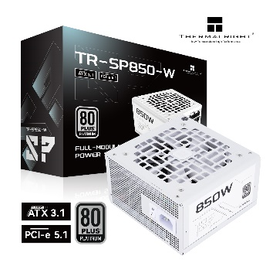 | Thermalright TR-SP850-W | Wattage：850W Efficiency：80 PLUS Platinum Modular：Full-Modular Input Voltage：100-240Vac Input Current：13-6.5A Input Frequency：47-63Hz Fan Size：120 mm Operating Temperature：0-40°C MTBF：>100K Hours Protections：OPP/OVP/OTP/OCP/SCP/UVP | 105 | 115
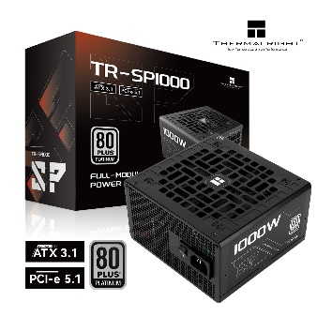 | Thermalright TR-SP1000 | Wattage：1000W Efficiency：80 PLUS Platinum Modular：Full-Modular Input Voltage：100-240Vac Input Current：13-6.5A Input Frequency：47-63Hz Fan Size：120 mm Operating Temperature：0-40°C MTBF：>100K Hours Protections：OPP/OVP/OTP/OCP/SCP/UVP | 135 | 150
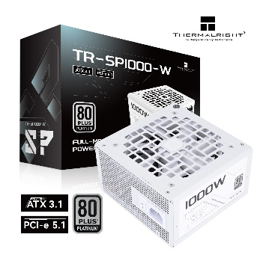 | Thermalright TR-SP1000-W | Wattage：1000W Efficiency：80 PLUS Platinum Modular：Full-Modular Input Voltage：100-240Vac Input Current：13-6.5A Input Frequency：47-63Hz Fan Size：120 mm Operating Temperature：0-40°C MTBF：>100K Hours Protections：OPP/OVP/OTP/OCP/SCP/UVP | 140 | 160
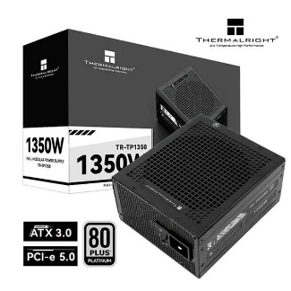 | Thermalright TR-TP1350 | Wattage：1350W Efficiency：80 PLUS Platinum Modular：Full-Modular Input Voltage：115-240Vac Input Current：15-8A Input Frequency：50-60Hz Fan Size：140 mm Operating Temperature：0-40°C MTBF：>100K Hours Protections：OPP/OVP/OTP/OCP/SCP/UVP | 310 | 350
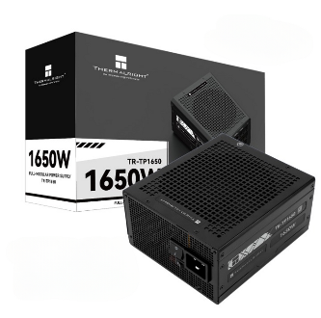 | Thermalright TR-TP1650 | Wattage：1650W Efficiency：80 PLUS Platinum Modular：Full-Modular Input Voltage：115-240Vac Input Current：15-8A Input Frequency：50-60Hz Fan Size：140 mm Operating Temperature：0-40°C MTBF：>100K Hours Protections：OPP/OVP/OTP/OCP/SCP/UVP | 420 | 500
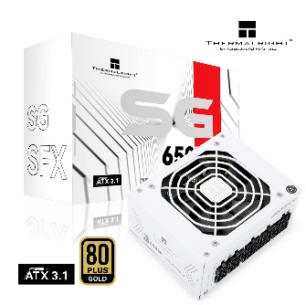 | Thermalright TR-SGFX650-W | Wattage：650W Efficiency：80 PLUS GOLD Modular：Full-Modular Input Voltage：100-240Vac Input Current：10A Input Frequency：50-60Hz Fan Size：92 mm Operating Temperature：0-40°C MTBF：>100K Hours Protections：OPP/OVP/OTP/OCP/SCP/UVP | 80 | 100
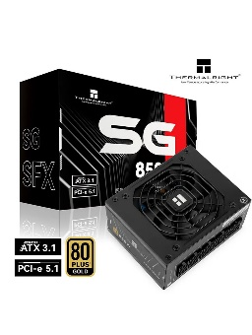 | Thermalright TR-SGFX850 | Wattage：850W Efficiency：80 PLUS GOLD Modular：Full-Modular Input Voltage：100-240Vac Input Current：10A Input Frequency：50-60Hz Fan Size：92 mm Operating Temperature：0-40°C MTBF：>100K Hours Protections：OPP/OVP/OTP/OCP/SCP/UVP | 100 | 120
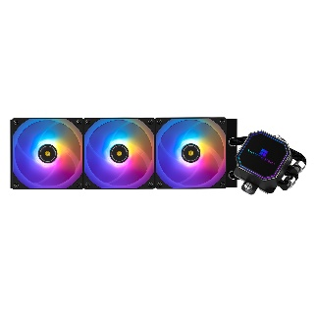 | Thermalright Frozen Prism 360 ARGB BK | Rated Speed：1850 RPM±10% (MAX) Noise Level：27 dBA (MAX) Air Flow：70.4 CFM (MAX) Air Pressure：2.64 mm H2O (MAX) Ampere：0.18 A Connector：4 PIN PWM ARGB Connector：3 PIN 5V Bearing Type：S-FDB Bearing | 65 | 70
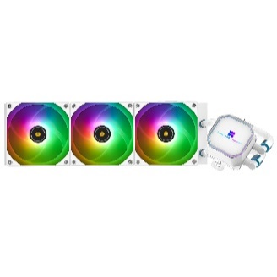 | Thermalright Frozen Prism 360 ARGB WH | Rated Speed：1850 RPM±10% (MAX) Noise Level：27 dBA (MAX) Air Flow：70.4 CFM (MAX) Air Pressure：2.64 mm H2O (MAX) Ampere：0.18 A Connector：4 PIN PWM ARGB Connector：3 PIN 5V Bearing Type：S-FDB Bearing | 65 | 70
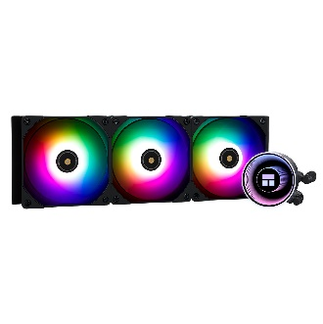 | Thermalright Frozen Notte 360 ARGB BK | Rated Speed：2000 RPM±10% (MAX) Noise Level：27.7 dBA (MAX) Air Flow：72.37 CFM (MAX) Air Pressure：2.87 mm H2O (MAX) Ampere：0.16 A Connector：4 PIN PWM ARGB Connector：3 PIN 5V Bearing Type：S-FDB Bearing | 60 | 65
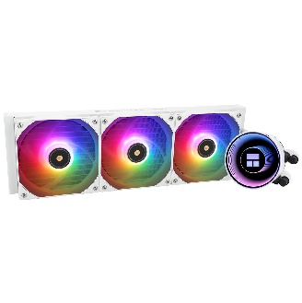 | Thermalright Frozen Notte 360 ARGB WH | Rated Speed：2000 RPM±10% (MAX) Noise Level：27.7 dBA (MAX) Air Flow：72.37 CFM (MAX) Air Pressure：2.87 mm H2O (MAX) Ampere：0.16 A Connector：4 PIN PWM ARGB Connector：3 PIN 5V Bearing Type：S-FDB Bearing | 60 | 65
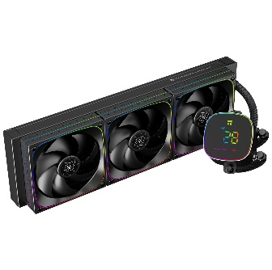 | Thermalright Frozen Horizon 360 DIGITAL ARGB BK | Rated Speed：2000 RPM±10% (MAX) Noise Level：28.2 dBA (MAX) Air Flow：68.9 CFM (MAX) Air Pressure：2.20 mm H2O (MAX) Connector：4 PIN PWM ARGB Connector：3 PIN 5V Bearing Type：S-FDB Bearing | 70 | 75
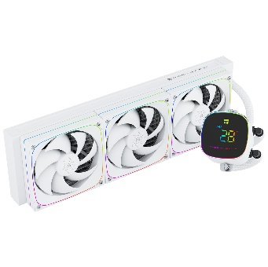 | Thermalright Frozen Horizon 360 DIGITAL ARGB WH | Rated Speed：2000 RPM±10% (MAX) Noise Level：28.2 dBA (MAX) Air Flow：68.9 CFM (MAX) Air Pressure：2.20 mm H2O (MAX) Connector：4 PIN PWM ARGB Connector：3 PIN 5V Bearing Type：S-FDB Bearing | 70 | 75
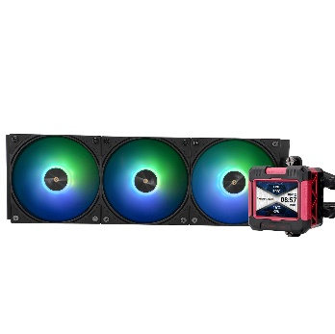 | Thermalright Frozen Warframe 360 RB ARGB BK | Rated Speed：2000 RPM±10% (MAX) Noise Level：29.8 dBA (MAX) Air Flow：70.84 CFM (MAX) Air Pressure：2.63 mm H2O (MAX) Connector：4 PIN PWM ARGB Connector：3 PIN 5V Bearing Type：S-FDB Bearing | 85 | 95
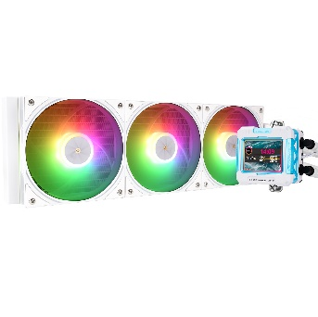 | Thermalright Frozen Warframe 360 BW ARGB WH | Rated Speed：2000 RPM±10% (MAX) Noise Level：29.8 dBA (MAX) Air Flow：70.84 CFM (MAX) Air Pressure：2.63 mm H2O (MAX) Connector：4 PIN PWM ARGB Connector：3 PIN 5V Bearing Type：S-FDB Bearing | 85 | 95
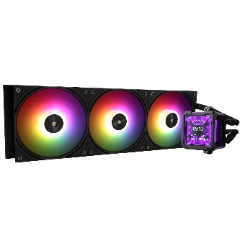 | Thermalright Frozen Warframe Pro 360 ARGB BK | Rated Speed：2000 RPM±10% (MAX) Noise Level：29.8 dBA (MAX) Air Flow：70.84 CFM (MAX) Air Pressure：2.63 mm H2O (MAX) Connector：4 PIN PWM ARGB Connector：3 PIN 5V Bearing Type：S-FDB Bearing | 95 | 105
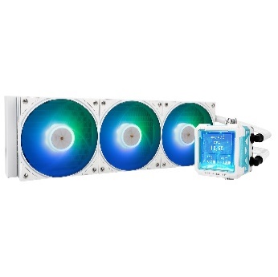 | Thermalright Frozen Warframe Pro 360 ARGB WH | Rated Speed：2000 RPM±10% (MAX) Noise Level：29.8 dBA (MAX) Air Flow：70.84 CFM (MAX) Air Pressure：2.63 mm H2O (MAX) Connector：4 PIN PWM ARGB Connector：3 PIN 5V Bearing Type：S-FDB Bearing | 95 | 105
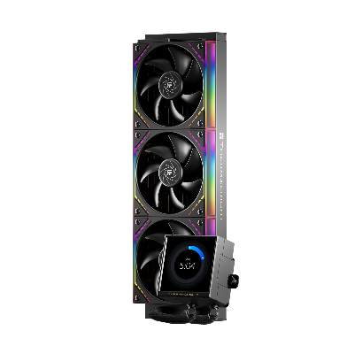 | Thermalright Peerless Vision 360 ARGB BK | Rated Speed：2000 RPM±10% (MAX) Noise Level：28.2 dBA (MAX) Air Flow：68.9 CFM (MAX) Air Pressure：2.21 mm H2O (MAX) Connector：4 PIN PWM ARGB Connector：3 PIN 5V Bearing Type：S-FDB Bearing | 100 | 110
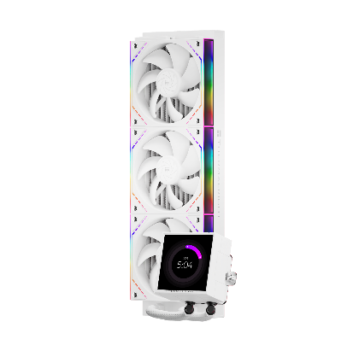 | Thermalright Peerless Vision 360 ARGB WH | Rated Speed：2000 RPM±10% (MAX) Noise Level：28.2 dBA (MAX) Air Flow：68.9 CFM (MAX) Air Pressure：2.21 mm H2O (MAX) Connector：4 PIN PWM ARGB Connector：3 PIN 5V Bearing Type：S-FDB Bearing | 100 | 110
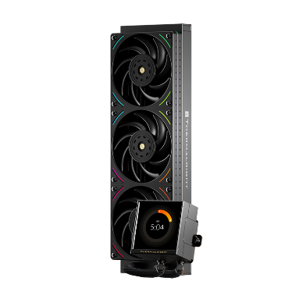 | Thermalright Peerless Vision 360 UB ARGB BK | Rated Speed：2150 RPM±10% (MAX) Noise Level：27 dBA (MAX) Air Flow：69×3 CFM (MAX) Air Pressure：2.87 mm H2O (MAX) Connector：4 PIN PWM ARGB Connector：3 PIN 5V Bearing Type：S-FDB V2 Bearing | 110 | 120
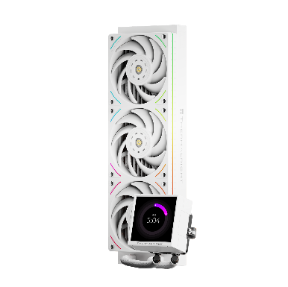 | Thermalright Peerless Vision 360 UB ARGB WH | Rated Speed：2150 RPM±10% (MAX) Noise Level：27 dBA (MAX) Air Flow：69×3 CFM (MAX) Air Pressure：2.87 mm H2O (MAX) Connector：4 PIN PWM ARGB Connector：3 PIN 5V Bearing Type：S-FDB V2 Bearing | 110 | 120
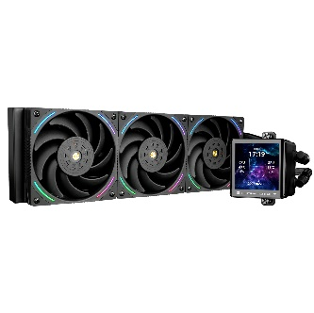 | Thermalright Frozen Vision 360 ARGB V2 BK | Rated Speed：2150 RPM±10% (MAX) Noise Level：27 dBA (MAX) Air Flow：69 CFM (MAX) Air Pressure：2.87 mm H2O (MAX) Ampere：0.16 A Connector：4 PIN PWM ARGB Connector：3 PIN 5V Bearing Type：S-FDB V2 Bearing | 120 | 130
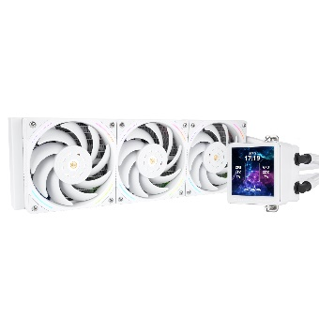 | Thermalright Frozen Vision 360 ARGB V2 WH | Rated Speed：2150 RPM±10% (MAX) Noise Level：27 dBA (MAX) Air Flow：69 CFM (MAX) Air Pressure：2.87 mm H2O (MAX) Ampere：0.16 A Connector：4 PIN PWM ARGB Connector：3 PIN 5V Bearing Type：S-FDB V2 Bearing | 120 | 130
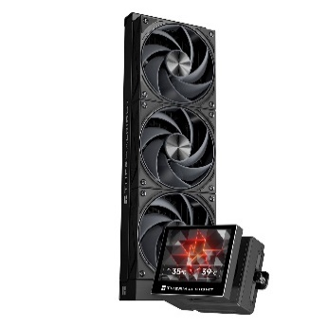 | Thermalright Stream Vision 360 BK | Rated Speed：2400 RPM±10% (MAX) Noise Level：31.4 dBA (MAX) Air Flow：95.4 CFM (MAX) Air Pressure：2.78 mm H2O (MAX) Connector：4 PIN PWM Bearing Type：S-FDB V2 Bearing | 130 | 140
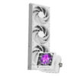 | Thermalright Stream Vision 360 WH | Rated Speed：2400 RPM±10% (MAX) Noise Level：31.4 dBA (MAX) Air Flow：95.4 CFM (MAX) Air Pressure：2.78 mm H2O (MAX) Connector：4 PIN PWM Bearing Type：S-FDB V2 Bearing | 130 | 140
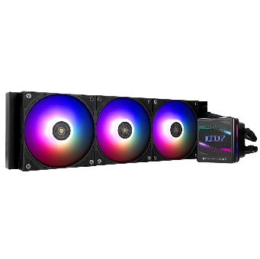 | Thermalright Grand Vision 360 ARGB BK | Rated Speed：2150 RPM±10% (MAX) Noise Level：29.4 dBA (MAX) Air Flow：80.45 CFM (MAX) Air Pressure：2.65 mm H2O (MAX) Connector：4 PIN PWM ARGB Connector：3 PIN 5V Bearing Type：S-FDB V2 Bearing | 135 | 145
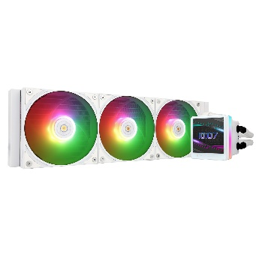 | Thermalright Grand Vision 360 ARGB WH | Rated Speed：2150 RPM±10% (MAX) Noise Level：29.4 dBA (MAX) Air Flow：80.45 CFM (MAX) Air Pressure：2.65 mm H2O (MAX) Connector：4 PIN PWM ARGB Connector：3 PIN 5V Bearing Type：S-FDB V2 Bearing | 135 | 145
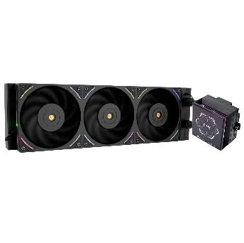 | Thermalright Hyper Vision 360 UB ARGB BK | Rated Speed：2150 RPM±10% (MAX) Noise Level：27 dBA (MAX) Air Flow：207 CFM (integrated-MAX) Air Pressure：2.87 mm H2O (MAX) Connector：4 PIN PWM ARGB Connector：3 PIN 5V Bearing Type：S-FDB V2 Bearing | 160 | 170
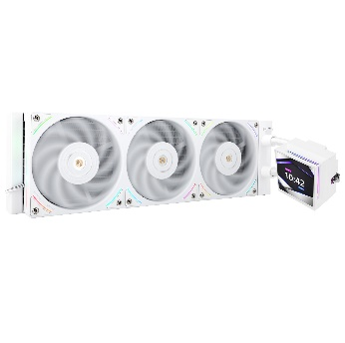 | Thermalright Hyper Vision 360 UB ARGB BK | Rated Speed：2150 RPM±10% (MAX) Noise Level：27 dBA (MAX) Air Flow：207 CFM (integrated-MAX) Air Pressure：2.87 mm H2O (MAX) Connector：4 PIN PWM ARGB Connector：3 PIN 5V Bearing Type：S-FDB V2 Bearing | 160 | 170
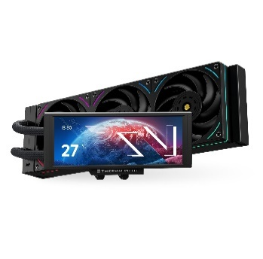 | Thermalright Trofeo Vision 360 ARGB BK | Rated Speed：2150 RPM±10% (MAX) Noise Level：27 dBA (MAX) Air Flow：69×3 CFM (MAX) Air Pressure：2.87 mm H2O (MAX) Connector：4 PIN PWM ARGB Connector：3 PIN 5V Bearing Type：S-FDB V2 Bearing | 150 | 160
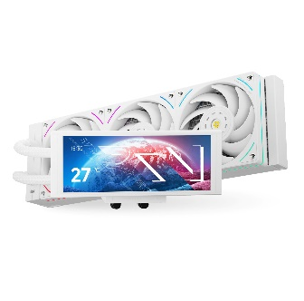 | Thermalright Trofeo Vision 360 ARGB WH | Rated Speed：2150 RPM±10% (MAX) Noise Level：27 dBA (MAX) Air Flow：69×3 CFM (MAX) Air Pressure：2.87 mm H2O (MAX) Connector：4 PIN PWM ARGB Connector：3 PIN 5V Bearing Type：S-FDB V2 Bearing | 150 | 160
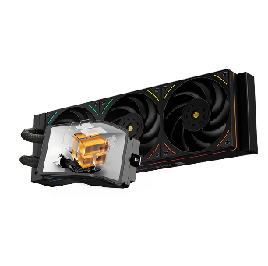 | Thermalright Wonder Vision 360 UB ARGB BK | Rated Speed：2150 RPM±10% (MAX) Noise Level：27 dBA (MAX) Air Flow：69X3 CFM (MAX) Air Pressure：2.87 mm H2O (MAX) Connector：4 PIN PWM ARGB Connector：3 PIN 5V Bearing Type：S-FDB V2 Bearing | 220 | 230
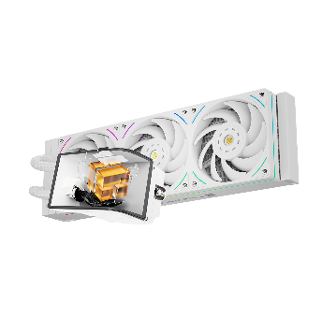 | Thermalright Wonder Vision 360 UB ARGB BK | Rated Speed：2150 RPM±10% (MAX) Noise Level：27 dBA (MAX) Air Flow：69X3 CFM (MAX) Air Pressure：2.87 mm H2O (MAX) Connector：4 PIN PWM ARGB Connector：3 PIN 5V Bearing Type：S-FDB V2 Bearing | 220 | 230
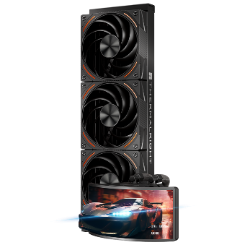 | Thermalright Rainbow Vision 360 TURBO ARGB BK | Rated Speed：3000 RPM±10% (MAX) Noise Level：44.7 dBA (MAX) Air Flow：120.38 CFM (MAX) Air Pressure：4.93 mm H2O (MAX) Connector：4 PIN PWM ARGB Connector：3 PIN 5V Bearing Type：Dual Ball Bearing | 250 | 260
 | Thermalright Rainbow Vision 360 TURBO ARGB BK | Rated Speed：3000 RPM±10% (MAX) Noise Level：44.7 dBA (MAX) Air Flow：120.38 CFM (MAX) Air Pressure：4.93 mm H2O (MAX) Connector：4 PIN PWM ARGB Connector：3 PIN 5V Bearing Type：Dual Ball Bearing | 250 | 260
 | Thermalright Frozen Infinity 360 ARGB BK (oem) | Rated Speed：2000 RPM±10% (MAX) Noise Level：28.2 dBA (MAX) Air Flow：68.9 CFM (MAX) Air Pressure：2.21 mm H2O (MAX) Connector：4 PIN PWM ARGB Connector：3 PIN 5V Bearing Type：S-FDB Bearing | 50 | 55
 | Thermalright Aqua Elite 360 ARGB v3 BK (oem) | Rated Speed：1500 RPM±10% (MAX) Noise Level：25.6 dBA (MAX) Air Flow：66.17 CFM (MAX) Air Pressure：1.53 mm H2O (MAX) Ampere：0.2 A Connector：4 PIN PWM ARGB Connector：3 PIN 5V Bearing Type：S-FDB Bearing | 50 | 55
 | Thermalright Aqua Elite 360 ARGB v3 WH (oem) | Rated Speed：1500 RPM±10% (MAX) Noise Level：25.6 dBA (MAX) Air Flow：66.17 CFM (MAX) Air Pressure：1.53 mm H2O (MAX) Ampere：0.2 A Connector：4 PIN PWM ARGB Connector：3 PIN 5V Bearing Type：S-FDB Bearing | 55 | 60
 | Thermalright Frozen Warframe 360 ARGB BK (oem) | Rated Speed：2000 RPM±10% (MAX) Noise Level：29.8 dBA (MAX) Air Flow：70.84 CFM (MAX) Air Pressure：2.63 mm H2O (MAX) Ampere：0.17 A Connector：4 PIN PWM ARGB Connector：3 PIN 5V Bearing Type：S-FDB Bearing | 75 | 80
 | Thermalright Frozen Warframe 360 ARGB WH (oem) | Rated Speed：2000 RPM±10% (MAX) Noise Level：29.8 dBA (MAX) Air Flow：70.84 CFM (MAX) Air Pressure：2.63 mm H2O (MAX) Ampere：0.17 A Connector：4 PIN PWM ARGB Connector：3 PIN 5V Bearing Type：S-FDB Bearing | 80 | 85
 | Thermalright Assasin X 120 R Digital ARGB BK | Heat pipes: 6mm heatpipe x 4 units Rated Speed: 2000 RPM±10% (MAX) Noise Level: 29.8 dBA Air Flow: 70.84 CFM (MAX) Air Pressure: 2.63 mm H2O (MAX) Connector: 4 Pin (PWM Fan connector) ARGB Connector：3 PIN 5V Bearing Type : S-FDB Bearing | 20 | 22
 | Thermalright Assasin X 120 R Digital ARGB WH | Heat pipes: 6mm heatpipe x 4 units Rated Speed: 2000 RPM±10% (MAX) Noise Level: 29.8 dBA Air Flow: 70.84 CFM (MAX) Air Pressure: 2.63 mm H2O (MAX) Connector: 4 Pin (PWM Fan connector) ARGB Connector：3 PIN 5V Bearing Type : S-FDB Bearing | 20 | 22
 | Thermalright Peerless Assasin 120 SE ARGB BK | Heat pipes：6mm heatpipe x 6 units Rated Speed：1550 RPM±10% (MAX) Noise Level：25.6 dBA Air Flow：66.17 CFM (MAX) Air Pressure：1.53mm H2O (MAX) Ampere：0.20 A Connector：4 Pin (PWM Fan connector) ARGB Connector: 3 PIN 5V Bearing Type : S-FDB Bearing | 35 | 40
 | Thermalright Peerless Assasin 120 SE ARGB WH | Heat pipes：6mm heatpipe x 6 units Rated Speed：1550 RPM±10% (MAX) Noise Level：25.6 dBA Air Flow：66.17 CFM (MAX) Air Pressure：1.53mm H2O (MAX) Ampere：0.20 A Connector：4 Pin (PWM Fan connector) ARGB Connector: 3 PIN 5V Bearing Type : S-FDB Bearing | 35 | 40
 | Thermalright Peerless Assasin 120 VISION ARGB BK | Heat pipes：6 mm heatpipe x 6 units Copper Base：C1100 Pure copper nickel plated Screen Size：2.8-Inch Screen Resolution：320×240 LCD DISPLAY Connector：MB 9 pin/USB 2.0 Port Rated Speed：1850 RPM±10% (MAX) Noise Level：29.5 dBA Air Flow：88.89 CFM (MAX) | 50 | 55
 | Thermalright Phantom Spirit 120 EVO BK | Heat pipes：6mm heatpipe x 7 units Rated Speed：2150 RPM±10% (MAX) Noise Level：27 dBA Air Flow：69 CFM (MAX) Air Pressure：2.87 mm H2O (MAX) Ampere：0.16 A Connector：4 Pin (PWM Fan connector) ARGB Connector: 3 PIN 5V Bearing Type : S-FDB V2 Bearing | 55 | 60
 | Thermalright Phantom Spirit 120 DIGITAL EVO BK | Heat pipes：6 mm heatpipe x 7 units Copper Base：C1100 Pure copper nickel plated Digital Connector：MB 9 pin/USB Port Rated Speed：2150 RPM±10% (MAX) Noise Level：27 dBA Air Flow：69 CFM (MAX) Air Pressure：2.87 mm H2O (MAX) | 60 | 65
 | Thermalright Burst Assasin 120 Vision BK | Heat pipes: 6mm heatpipe x 6 units Rated Speed: 1500 RPM±10% (MAX) Noise Level: 25.6 dBA Air Flow: 58 CFM (MAX) Air Pressure: 1.53 mm H2O (MAX) Connector: 4 Pin (PWM Fan connector) Bearing Type : S-FDB Bearing | 50 | 55
 | Thermalright Burst Assasin 120 Vision WH | Heat pipes: 6mm heatpipe x 6 units Rated Speed: 1500 RPM±10% (MAX) Noise Level: 25.6 dBA Air Flow: 58 CFM (MAX) Air Pressure: 1.53 mm H2O (MAX) Connector: 4 Pin (PWM Fan connector) Bearing Type : S-FDB Bearing | 50 | 55
 | Thermalright Peerless Assasin 120 DIGITAL ARGB BK | Heat pipes：6mm heatpipe x 6 units Rated Speed：1850 RPM±10% (MAX) Noise Level：25.6 dBA Air Flow：88.89 CFM (MAX) Air Pressure：2.21 mm H2O (MAX) Ampere：0.35 A Connector : 4 Pin (PWM Fan connector) ARGB Connector：3 PIN 5V Bearing Type : S-FDB Bearing Heat pipes：6mm heatpipe x 6 units Rated Speed：1850 RPM±10% (MAX) Noise Level：25.6 dBA Air Flow：88.89 CFM (MAX) Air Pressure：2.21 mm H2O (MAX) Ampere：0.35 A Connector : 4 Pin (PWM Fan connector) ARGB Connector：3 PIN 5V Bearing Type : S-FDB Bearing | 60 | 65
 | Thermalright Peerless Assasin 120 DIGITAL ARGB WH | Heat pipes：6mm heatpipe x 6 units Rated Speed：1850 RPM±10% (MAX) Noise Level：25.6 dBA Air Flow：88.89 CFM (MAX) Air Pressure：2.21 mm H2O (MAX) Ampere：0.35 A Connector : 4 Pin (PWM Fan connector) ARGB Connector：3 PIN 5V Bearing Type : S-FDB Bearing | 65 | 70
 | Thermalright Peerless Assasin 140 DIGITAL BK | Heat pipes：6mm heatpipe x 6 units Rated Speed：1850 RPM±10% (MAX) Noise Level：29.6 dBA Air Flow：82 CFM (MAX) Air Pressure：2.1 mm H2O (MAX) Connector : 4 Pin (PWM Fan connector) Bearing Type : S-FDB Bearing | 70 | 75
 | Thermalright Peerless Assasin 140 DIGITAL WH | Heat pipes：6mm heatpipe x 6 units Rated Speed：1850 RPM±10% (MAX) Noise Level：29.6 dBA Air Flow：82 CFM (MAX) Air Pressure：2.1 mm H2O (MAX) Connector : 4 Pin (PWM Fan connector) Bearing Type : S-FDB Bearing | 75 | 80
 | Thermalright TL-M12-S BK | Rated Speed：1500 RPM±10% (MAX) Noise Level：23.2 dBA (MAX) Air Flow：34.43 CFM (MAX) Air Pressure：1.31 mm H2O (MAX) Ampere：0.15 A Connector：4 PIN PWM ARGB Connector：3 PIN 5V Bearing Type：S-FDB Bearing | 5 | 6
 | Thermalright TL-M12W-S WH | Rated Speed：1500 RPM±10% (MAX) Noise Level：23.2 dBA (MAX) Air Flow：34.43 CFM (MAX) Air Pressure：1.31 mm H2O (MAX) Ampere：0.15 A Connector：4 PIN PWM ARGB Connector：3 PIN 5V Bearing Type：S-FDB Bearing | 5 | 6
 | Thermalright TL-M12R-S BK (REVERSE) | Rated Speed：1500 RPM±10% (MAX) Noise Level：23.2 dBA (MAX) Air Flow：34.43 CFM (MAX) Air Pressure：1.31 mm H2O (MAX) Ampere：0.15 A Connector：4 PIN PWM ARGB Connector：3 PIN 5V Bearing Type：S-FDB Bearing | 5 | 6
 | Thermalright TL-M12RW-S WH (REVERSE) | Rated Speed：1500 RPM±10% (MAX) Noise Level：23.2 dBA (MAX) Air Flow：34.43 CFM (MAX) Air Pressure：1.31 mm H2O (MAX) Ampere：0.15 A Connector：4 PIN PWM ARGB Connector：3 PIN 5V Bearing Type：S-FDB Bearing | soon | soon
 | Thermalright TL-S12 BK | Rated Speed：1500 RPM±10% (MAX) Noise Level：23.2 dBA (MAX) Air Flow：47.6 CFM (MAX) Air Pressure：1.31 mm H2O (MAX) Ampere：0.15A Connector：4 PIN PWM ARGB Connector：3 PIN 5V Bearing Type：S-FDB Bearing | 5 | 7
 | Thermalright TL-S12R BK | Rated Speed：1500 RPM±10% (MAX) Noise Level：23.2 dBA (MAX) Air Flow：47.6 CFM (MAX) Air Pressure：1.31 mm H2O (MAX) Ampere：0.15A Connector：4 PIN PWM ARGB Connector：3 PIN 5V Bearing Type：S-FDB Bearing | 5 | 7
 | Thermalright TL-S12-W WH | Rated Speed：1500 RPM±10% (MAX) Noise Level：23.2 dBA (MAX) Air Flow：47.6 CFM (MAX) Air Pressure：1.31 mm H2O (MAX) Ampere：0.15A Connector：4 PIN PWM ARGB Connector：3 PIN 5V Bearing Type：S-FDB Bearing | 5 | 7
 | Thermalright TL-K12 BK | Rated Speed: 2150 RPM±10% (MAX) Noise Level: 27 dBA (MAX) Air Flow: 69 CFM (MAX) Air Pressure: 2.87 mm H2O (MAX) Ampere: 0.16 A ARGB Port：5V/3Pin Connector: 4 PIN PWM Bearing Type: S-FDB V2 Bearing | 15 | 20
 | Thermalright TL-K12R BK | Rated Speed: 2150 RPM±10% (MAX) Noise Level: 27 dBA (MAX) Air Flow: 69 CFM (MAX) Air Pressure: 2.87 mm H2O (MAX) Ampere: 0.16 A ARGB Port：5V/3Pin Connector: 4 PIN PWM Bearing Type: S-FDB V2 Bearing | 15 | 20
 | Thermalright TL-K12W WH | Rated Speed: 2150 RPM±10% (MAX) Noise Level: 27 dBA (MAX) Air Flow: 69 CFM (MAX) Air Pressure: 2.87 mm H2O (MAX) Ampere: 0.16 A ARGB Port：5V/3Pin Connector: 4 PIN PWM Bearing Type: S-FDB V2 Bearing | 15 | 20
 | Thermalright TL-K12RW WH | Rated Speed: 2150 RPM±10% (MAX) Noise Level: 27 dBA (MAX) Air Flow: 69 CFM (MAX) Air Pressure: 2.87 mm H2O (MAX) Ampere: 0.16 A ARGB Port：5V/3Pin Connector: 4 PIN PWM Bearing Type: S-FDB V2 Bearing | 15 | 20
 | Thermalright TL-UB36R BK | Rated Speed：2150 RPM±10% (MAX) Noise Level：27 dBA (MAX) Air Flow：69×3 CFM (MAX) Air Pressure：2.87 mm H2O (MAX) Ampere：0.6 A Connector：4 PIN PWM ARGB Connector：3 PIN 5V Bearing Type：S-FDB V2 Bearing | 25 | 30
 | Thermalright TL-UB36RW WH | Rated Speed：2150 RPM±10% (MAX) Noise Level：27 dBA (MAX) Air Flow：69×3 CFM (MAX) Air Pressure：2.87 mm H2O (MAX) Ampere：0.6 A Connector：4 PIN PWM ARGB Connector：3 PIN 5V Bearing Type：S-FDB V2 Bearing | 25 | 30
 | Thermalright TL-B12015 EXTREM | Rated Speed：3150 RPM±10% (MAX) Noise Level：37.07 dBA (MAX) Air Flow：83.61 CFM (MAX) Air Pressure：3.4 mm H2O (MAX) Ampere：0.4 A Connector：4 PIN PWM Bearing Type：Dual Ball Bearing | 18 | 25
 | Thermalright TL-M10-C VISION ARGB BK | Motherboard support: m-ATX / mini-ITX Screen size: 9.16 inch Fan support: TOP 3x 120mm / 2x 140mm SIDE: 3x 120mm PSU SHROUDED: 3x 120mm REAR: 1x 120mm CPU COOLER HEIGHT LIMIT: 185mm GPU LENGTH LIMIT: 360mm I/O PORTS: USB 3.0 2x / TYPE-C 1x 4x ARGB Fan included | 100 | 110
 | Thermalright TL-M10-M VISION ARGB BK | Motherboard support: m-ATX / mini-ITX Screen size: 9.16 inch Fan support: TOP 3x 120mm / 2x 140mm SIDE: 3x 120mm PSU SHROUDED: 3x 120mm REAR: 1x 120mm CPU COOLER HEIGHT LIMIT: 185mm GPU LENGTH LIMIT: 360mm I/O PORTS: USB 3.0 2x / TYPE-C 1x 4x ARGB Fan included | 100 | 110
 | Thermalright TL-M10-C VISION ARGB WH | Motherboard support: m-ATX / mini-ITX Screen size: 9.16 inch Fan support: TOP 3x 120mm / 2x 140mm SIDE: 3x 120mm PSU SHROUDED: 3x 120mm REAR: 1x 120mm CPU COOLER HEIGHT LIMIT: 185mm GPU LENGTH LIMIT: 360mm I/O PORTS: USB 3.0 2x / TYPE-C 1x 4x ARGB Fan included | 100 | 110
 | Thermalright Trofeo Vision LCD BK 6.86` | Specification: Dimension：L187.2 mm x W72.1 mm x H21 mm Screen Size：6.86-Inch Screen Resolution：1280×480 LCD Connector：USB Type-C | 35 | 45
 | Thermalright Trofeo Vision LCD WH 6.86` | Specification: Dimension：L187.2 mm x W72.1 mm x H21 mm Screen Size：6.86-Inch Screen Resolution：1280×480 LCD Connector：USB Type-C | 35 | 45
 | Thermalright Trofeo Vision LCD BK 9.16` | IPS LCD Screen Size：9.16-Inch Screen Resolution：1920×480 LCD Connector：USB Type-C | 40 | 50
 | Thermalright Trofeo Vision LCD WH 9.16` | IPS LCD Screen Size：9.16-Inch Screen Resolution：1920×480 LCD Connector：USB Type-C | 40 | 50
 | Thermalright 5V ARGB CONTROLLER SATA | 5v ARGB CONTROLLER SPECIFICATION Power Connector SATA DC Input +5v Output Ampere 2A RGB Connector +5v 3PIN | 5 | 8
 | Thermalright FAN HUB X12 IR BLACK | Size : 108 x 50 x 21 mm Color : Black Cable Length：500 mm Ampere：1 A(Max)(Each Connector) Connector：4 Pin PWM/3 Pin(+5V ARGB) Function : PWM Fan HUB Controller+3 Pin(+5V ARGB)synchronizing signal | 10 | 15

